3rd quarter 2022
FDP Form 13- Manpower Complement

MANPOWER COMPLEMENT
Republic of the Philippines
Budget Year 2022
3rd Quarter
City : _Puerto Princesa City_

Nature of Appointment or Employment | Number | Compensation and Other Benefits (P) |  | Total
 |  | Salaries and Wages | Other Monetary Benefits
I. Permanent | 1,126 | 145,403,172.00 | 28,701,404.25 | 174,104,576.25

II. Co-terminous | 156

III. Elected | 14

IV. Temporary | 15
II. Job Order | 3,799 | 139,035,303.00 | N/A | 139,035,303.00
IV. Contract of Service | 7 | 782,256.00 |  | 782,256.00
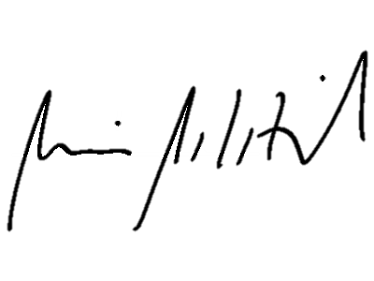
Grand Total | 5,117 | 285,220,731.00 | 28,701,404.25 | 313,922,135.25

We hereby certify that we have reviewed the contents and hereby attest to the veracity and correctness of the data or information contained in this document.

ATTY. KERWIN ARNOLD MAWIE C. PALATINO |  | CHARLITO B. PADUL |  | LUCILO R. BAYRON
Attorney IV |  | City Accountant II |  | City Mayor
Acting City Personnel Officer

Notes:
1. Estimated Data for Total Compensation and Other Benefits was based on Annual Budget 2018 of the City Government of Puerto Princesa.
2. Co-terminous - issued to a person whose entrance and continuity in the service is based on trust and confidence of the appointing authority or the head of the organizational unit where assigned; or co-existent with the incumbent; or limited to the duration of the project; or co-existent with the period for which an agency or office was created.
3. Contract of Services/Job Orders are employees whose services rendered are not considered governments services and do not enjoy the benefits enjoyed by government employees. The job order covers piece work or intermittent job of short duration not exceeding six months on a daily basis. (Source: Omnibus Rules Implementing Book V of E.O. No. 292 and Other Pertinent Civil Service Laws)

