Form 11 - SEFU
FDP Form 11 - SEF Utilization
(DepEd-DBM-DILG Joint Circular No. 1 s. 2017, SEF Budget Accountability Form No. 1)

SPECIAL EDUCATION FUND UTILIZATION

REGION: |  | MIMAROPA | CALENDAR YEAR: | 2025
PROVINCE: |  | CITY OF PUERTO PRINCESA (CAPITAL) | QUARTER: | 1
CITY/MUNICIPALITY: |  | CITY OF PUERTO PRINCESA (Capital)

Receipt from SEF |  |  |  |  |  |  | 123,642,392.83

Less: | DISBURSEMENTS (broken down by expense class and by object of expenditures)

 | Personal Services
 | ___________________________________________________________________________________________ |  |  |  |  |  | ____________________________________
 | ___________________________________________________________________________________________ |  |  |  |  |  | ____________________________________
 | ___________________________________________________________________________________________ |  |  |  |  |  | ____________________________________ | 60,000,000.00
 |  |  |  |  |  |  |  | 50,739,046.89
 | Maintenance and Other Operating Expenses |  |  |  |  |  |  | 12,903,345.94
 | TRAVELLING EXPENSES ________________________________________________ |  |  |  |  |  | ____________________________________ | 123,642,392.83
 | TRAINING EXPENSES __________________________________________________ |  |  |  |  |  | ____________________________________
 | OFFICE SUPPLIES EXPENSES ____________________________________________ |  |  |  |  |  | ____________________________________
 | SEMI- EXPENDABLE FURNITURE, FIXTURES AND BOOKS EXPENSES _____________ |  |  |  |  |  | ____________________________________
 | TAXES, DUTIES AND LICENSES ________________________________________________ |  |  |  |  |  | ____________________________________
 | OTHER MAINTENANCE AND OPERATING EXPENSES________________________________________________ |  |  |  |  |  | _________________________1,505,934.00
 | _________________________________________________________________________________________ |  |  |  |  |  | ____________________________________ | 4,251,624.16
 | _________________________________________________________________________________________ |  |  |  |  |  | ____________________________________

 | Capital Outlay |  |  |  |  |  |  | 119,390,768.67
 | ___________________________________________________________________________________________ |  |  |  |  |  | ____________________________________
 | ___________________________________________________________________________________________ |  |  |  |  |  | ____________________________________

 |  |  |  |  |  |  |  | 119,390,768.67
 |  |  |  |  |  | Sub-total | _________________________ 4,251,624.16

 |  |  |  |  |  | Balance | 119,390,768.67

We hereby certify that we have reviewed the contents and hereby attest to the veracity and correctness of the data or Information contained in this document.

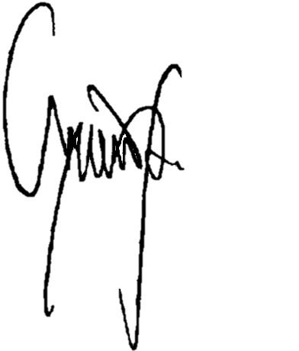
 | CHARLITO B. PADUL |  |  |  | LUCILO R. BAYRON
 | City Accountant |  |  |  | LCE, Chairman, LSB

