Form 11 - SEFU
FDP Form 11 - SEF Utilization
(DepEd-DBM-DILG Joint Circular No. 1 s. 2017, SEF Budget Accountability Form No. 1)

SPECIAL EDUCATION FUND UTILIZATION

REGION: |  | MIMAROPA | CALENDAR YEAR: | 2024
PROVINCE: |  | CITY OF PUERTO PRINCESA (CAPITAL) | QUARTER: | 2
CITY/MUNICIPALITY: |  | CITY OF PUERTO PRINCESA (Capital)

Receipt from SEF |  |  |  |  |  |  | 137,506,118.10

Less: | DISBURSEMENTS (broken down by expense class and by object of expenditures)

 | Personal Services
 | ___________________________________________________________________________________________ |  |  |  |  |  | ____________________________________
 | ___________________________________________________________________________________________ |  |  |  |  |  | ____________________________________
 | ___________________________________________________________________________________________ |  |  |  |  |  | ____________________________________

 | Maintenance and Other Operating Expenses
 | TRAVELLING EXPENSES ________________________________________________ |  |  |  |  |  | ___________________________164,729.72
 | TAXES, DUTIES AND LICENSES ________________________________________________ |  |  |  |  |  | _____________________________9,022.33
 | OTHER MAINTENANCE AND OPERATING EXPENSES________________________________________________ |  |  |  |  |  | _________________________8,976,345.98
 | ___________________________________________________________________________________________ |  |  |  |  |  | ____________________________________
 | ___________________________________________________________________________________________ |  |  |  |  |  | ____________________________________

 | Capital Outlay
 | CONSTRUCTION IN PROGRESS- BUILDINGS AND OTHER STRUCTURES________________________________ |  |  |  |  |  | ___________________________367,028.19
 | ___________________________________________________________________________________________ |  |  |  |  |  | ____________________________________
 | ___________________________________________________________________________________________ |  |  |  |  |  | ____________________________________
 |  |  |  |  |  | Sub-total | _________________________9,517,126.22

 |  |  |  |  |  | Balance | _______________________127,988,991.88

We hereby certify that we have reviewed the contents and hereby attest to the veracity and correctness of the data or Information contained in this document.

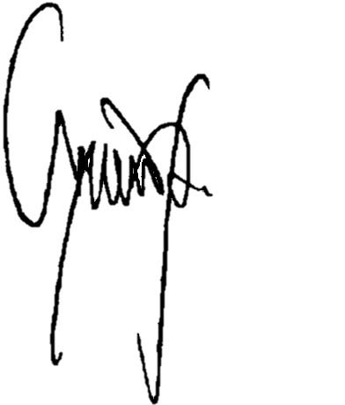
 | CHARLITO B. PADUL |  |  |  | LUCILO R. BAYRON
 | City Accountant |  |  |  | LCE, Chairman, LSB

