Form 11 - SEFU
FDP Form 11 - SEF Utilization
(DepEd-DBM-DILG Joint Circular No. 1 s. 2017, SEF Budget Accountability Form No. 1)

SPECIAL EDUCATION FUND UTILIZATION

REGION: |  | MIMAROPA | CALENDAR YEAR: | 2026
PROVINCE: |  | CITY OF PUERTO PRINCESA (CAPITAL) | QUARTER: | 1
CITY/MUNICIPALITY: |  | CITY OF PUERTO PRINCESA (Capital)

Receipt from SEF |  |  |  |  |  | 129,878,348.10 | Balance from 4th Quarter 2025 | 116,954,198.85
 |  |  |  |  |  |  | Gross Income | 12924149.25
Less: | DISBURSEMENTS (broken down by expense class and by object of expenditures) |  |  |  |  |  | Total | 129878348.1

 | Personnel Services |  |  |  |  | -

 | Maintenance and Other Operating Expenses
 | TRAVELLING EXPENSES
 | TRAINING EXPENSES
 | OFFICE SUPPLIES EXPENSES
 | SEMI- EXPENDABLE MACHINERY AND EQUIPMENT EXPENSES
 | TAXES, DUTIES AND LICENSES
 | INTERNET SUBSCRIPTION EXPENSES
 | OTHER MAINTENANCE AND OPERATING EXPENSES |  |  | 1,514,490.00 | 1,514,490.00 |  |  | 1514490

 | Capital Outlay
 | Construction in Progress- Buildings and Other Structures |  |  |  | 9,841,385.21 |  |  | 9841385.21
 |  |  |  |  |  |  |  | 11355875.21
 |  |  |  |  | Sub-total | 11,355,875.21
 |  |  |  |  | Balance | 118,522,472.89 |  | 118522472.89

We hereby certify that we have reviewed the contents and hereby attest to the veracity and correctness of the data or Information contained in this document.

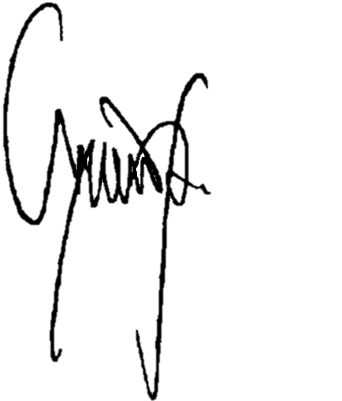
 | CHARLITO B. PADUL |  |  |  | LUCILO R. BAYRON
 | City Accountant |  |  |  | LCE, Chairman, LSB

