Form 11 - SEFU
FDP Form 11 - SEF Utilization
(DepEd-DBM-DILG Joint Circular No. 1 s. 2017, SEF Budget Accountability Form No. 1)

SPECIAL EDUCATION FUND UTILIZATION

REGION: |  | MIMAROPA | CALENDAR YEAR: | 2026
PROVINCE: |  | CITY OF PUERTO PRINCESA (CAPITAL) | QUARTER: | 2
CITY/MUNICIPALITY: |  | CITY OF PUERTO PRINCESA (Capital)

Receipts from SEF
 |  | 2026 Projected Receipts - LSB Resolution No. 01-2026 |  | 58650000
 |  | Unappropriated Balance, Supplemental Budget No. 5 - LSB SB No. 1 of 2026 |  | 24409270.32
 |  | Savings, FY 2025 MOOE (SAAOB) - LSB SB No. 1 of 2026 |  | 15064110.33
 |  | Savings, FY 2025 CO - Continuing (SAAOB) |  | 66670574.95
 |  | Savings, FY 2025 CO - Current (SAAOB) |  | 7748756.54
 |  |  |  |  | 172,542,712.14
 |  | Gross Income |  |  | 23,087,704.30 | 195,630,416.44

Less: | DISBURSEMENTS (broken down by expense class and by object of expenditures)

 | Personnel Services |  |  |  |  | -

 | Maintenance and Other Operating Expenses
 |  | Travelling Expenses |  | 4,548,716.69
 |  | Training Expenses
 |  | Office Supplies Expenses
 |  | Semi- Expendable Machinery And Equipment Expenses
 |  | Taxes, Duties And Licenses
 |  | Internet Subscription Expenses |  | 693784
 |  | Other Maintenance and Operating Expenses |  | 9942313.36 | 15184814.05

 | Capital Outlay
 |  | Construction in Progress- Buildings and Other Structures |  |  | 40,398,178.66 | 55,582,992.71
 |  |  |  |  | Balance | 140,047,423.73

We hereby certify that we have reviewed the contents and hereby attest to the veracity and correctness of the data or Information contained in this document.

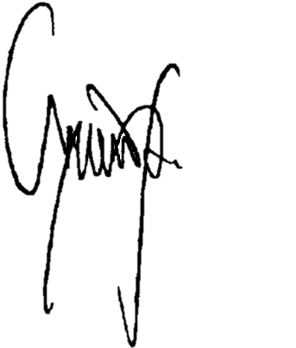
 | CHARLITO B. PADUL |  |  |  | LUCILO R. BAYRON
 | City Accountant |  |  |  | LCE, Chairman, LSB

