Jun 2026 v07.06.2026 SBDP
 |  |  |  |  |  |  |  |  |  |  | Annex C

LOCAL GOVERNMENT SUPPORT FUND-SUPPORT TO BARANGAY DEVELOPMENT PROGRAM
Report on Fund Utilization and Status of Program/Project Implementation
For the Quarter Ended June 30, 2026

Fund Source | Date of Notice of Authority to Debit Account Issued (NADAI) | Type of Program/Project | Name of Title of Program/Poject | Specific Location | Mechanism/ Mode of Implementation | Estimated Number of Beneficiaries | Amount |  |  | Estimated Period of Completion (month and year) | Remarks on Program/Project Status
 |  |  |  |  |  |  | Received | Obligation | Disbursement
SARO-LGRCB-26-0000828 | 2026-03-26 | Local Government Support Fund - Support to the Barangay Development Program of NTF-ELCAC | Concreting of Farm-to-Market Road at Bgy. Cabayugan | Bgy. Cabayugan | No details yet |  | 10,000,000.00 | 0.00 | 0.00 | No details yet | -
SARO-LGRCB-26-0000828 | 2026-03-26 | Local Government Support Fund - Support to the Barangay Development Program of NTF-ELCAC | Concreting of Farm-to-Market Road at Bgy. Inagawan | Bgy. Inagawan | No details yet |  | 10,000,000.00 | 0.00 | 0.00 | No details yet | -
SARO-LGRCB-26-0000828 | 2026-03-26 | Local Government Support Fund - Support to the Barangay Development Program of NTF-ELCAC | Construction of Level II Potable Water Supply System at Bgy. Langogan | Bgy. Langogan | By Contract |  | 10,000,000.00 | 0.00 | 0.00 | No details yet | Program of Work appropriation - ₱ 10,000,000.00 Total Project Cost - ₱ 9,900,933.62 Project Duration - 180 C.D.
SARO-LGRCB-26-0000828 | 2026-03-26 | Local Government Support Fund - Support to the Barangay Development Program of NTF-ELCAC | Concreting of Farm-to-Market Road at Bgy. Lucbuan | Bgy. Lucbuan | No details yet |  | 10,000,000.00 | 0.00 | 0.00 | No details yet | -
SARO-LGRCB-26-0000828 | 2026-03-26 | Local Government Support Fund - Support to the Barangay Development Program of NTF-ELCAC | Concreting of Farm-to-Market Road at Bgy. Tagburos | Bgy. Tagburos | No details yet |  | 10,000,000.00 | 0.00 | 0.00 | No details yet | -

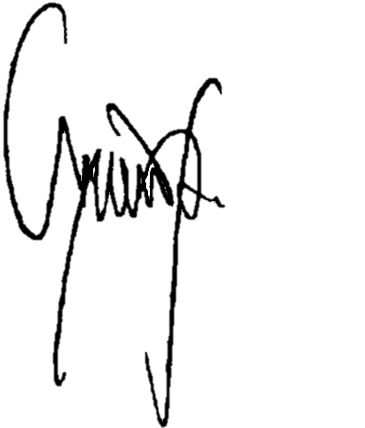
Certified correct by: |  |  |  |  |  |  | Attested by:

MARIA REGINA S. CANTILLO |  |  |  | RAMIL V. GONZALES |  |  |  | LUCILO R. BAYRON
City Budget Officer |  |  |  | Assistant City Accountant |  |  |  | City Mayor

JEROME M. PADRONES
City Treasurer

JOVENEE C. SAGUN
City Planning and Development Coordinator

